Cost prices
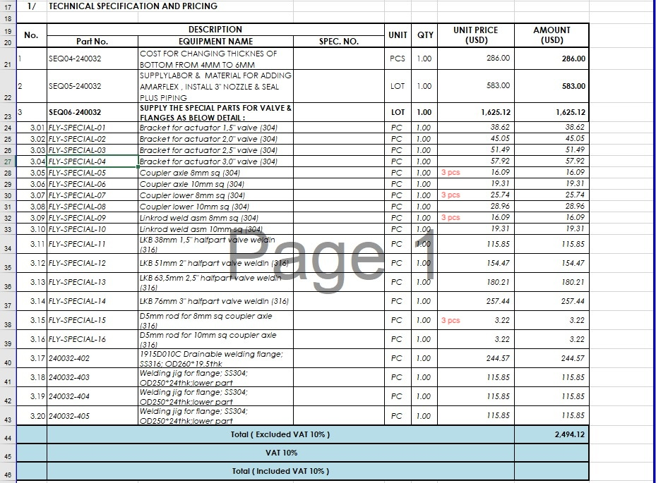
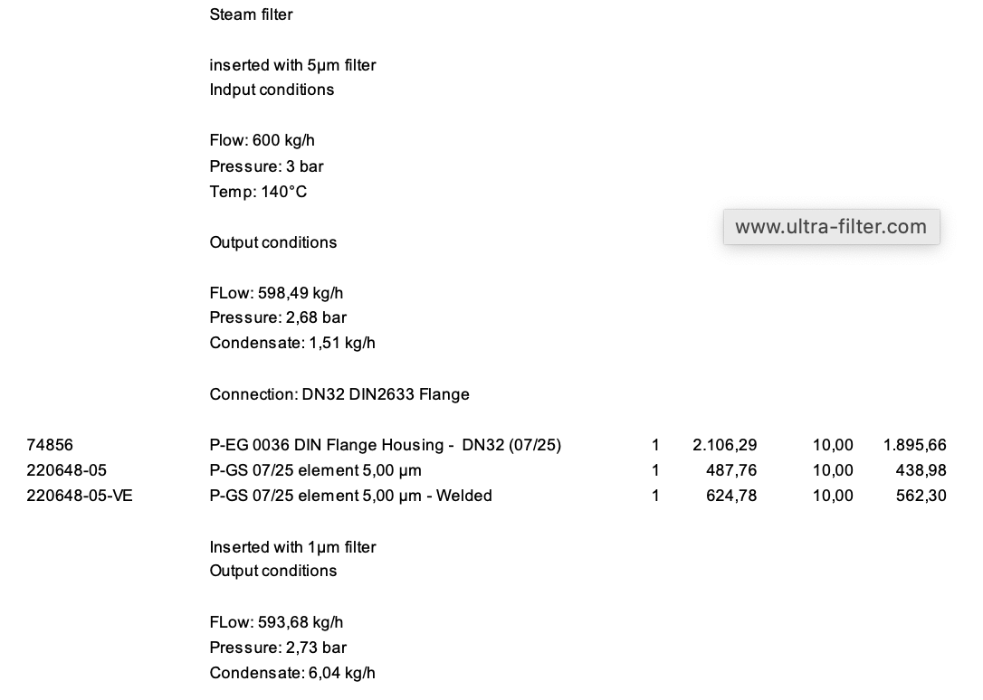
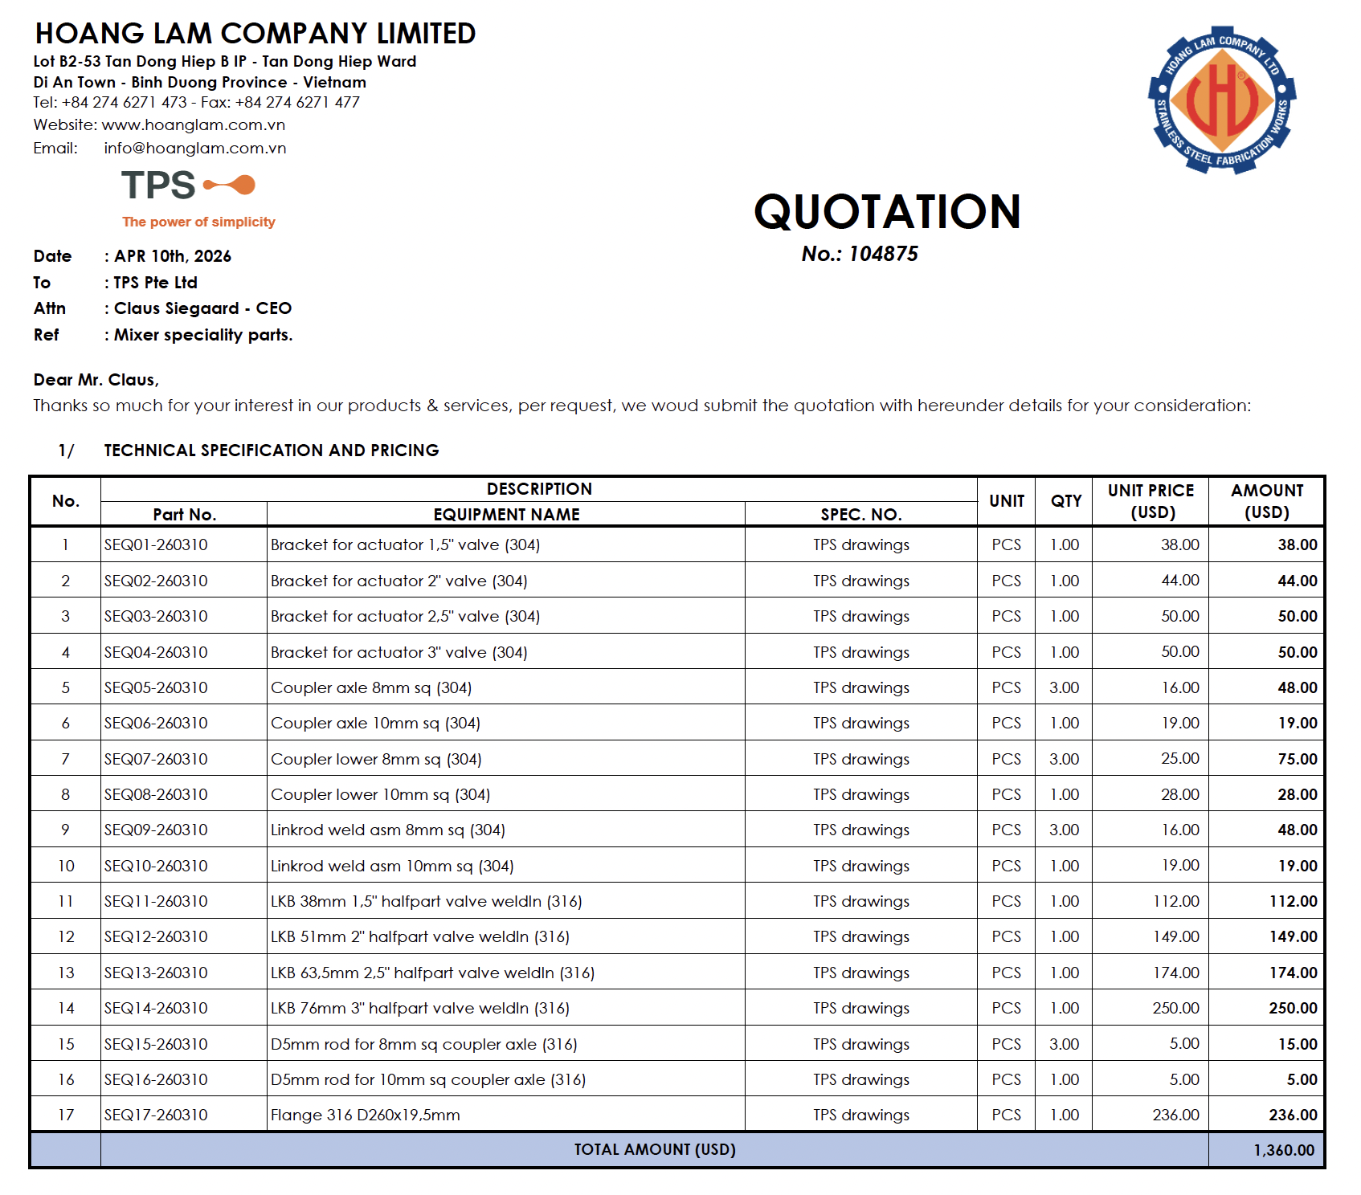
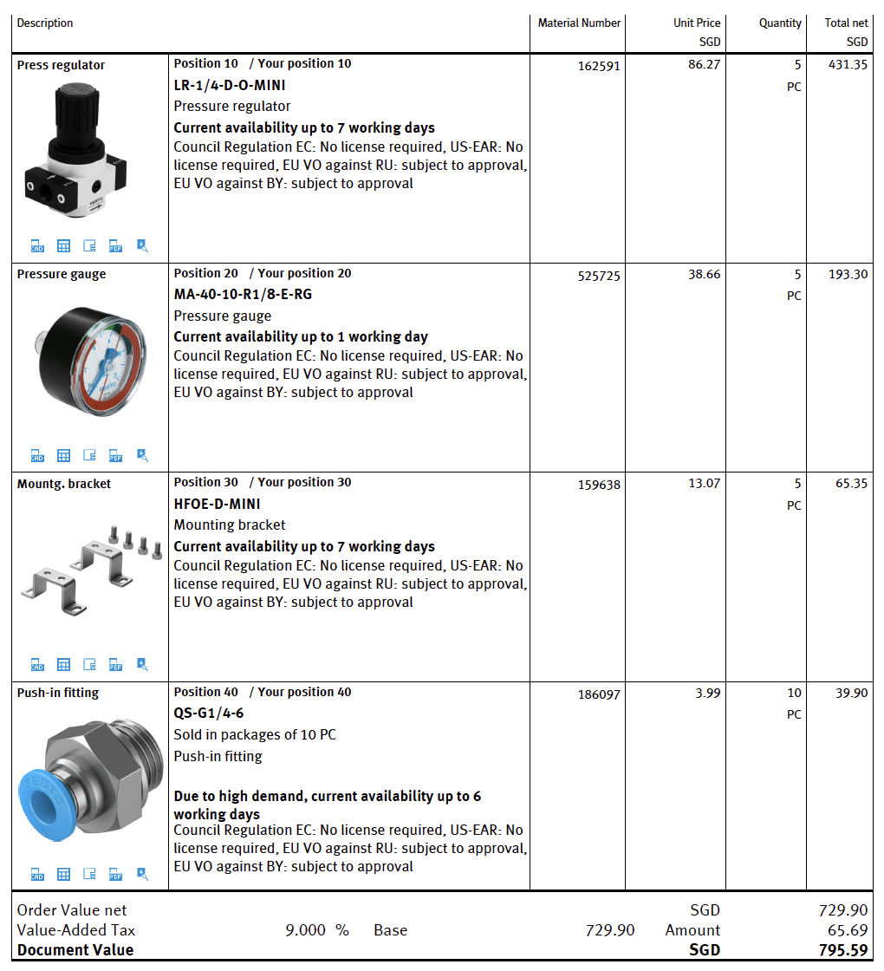
Exchange rate DKK to USD | 7.17
Exchange rate DKK to EUR | 7.46
Exchange rate DKK to SGD | 5.34
 |  |  | Equipment | Polish / Tax | Fees | Freight | Total DKK
TPS essiential package | xx Mixer, diameter 160mm |  | DKK | DKK |  | DKK | DKK
 | Motor consol |  | 4,441 |  |  | 640 | 5,081 | Updated Nov 2024
 | Stator |  | 4,080 |  |  | 640 | 4,720 | Updated Nov 2024
 | Impeller |  | 1,180 | 2,487 |  | 640 | 4,307 | Updated Nov 2024
 | Pump house |  | 3,346 | 4,605 |  | 640 | 8,591 | Updated Nov 2024
 | Bottom |  | 5,200 |  |  | 640 | 5,840
 | Shaft seal |  | 990 |  |  | 15 | 1,005
 | Shaft |  | Incl Seneberg |  |  |  | Incl Seneberg
 | Dan Seneberg, Pump house fabrication |  | 4,961 |  |  |  | 4,961 | Used the lower 5 pcs price from john 15october 2025 email
 | Dan Seneberg, assemble and test |  | 8,224 |  |  |  | 8,224 | Used the lower 1 pcs price from john 15 october 2025 email
 | Dan Seneberg workshop, 35 holes |  | 14,519 |  |  |  | 14,519 | Used the lower 10 pcs price from john 15 october 2025 email
 | Dan Seneberg workshop, 105 holes |  | 16,009 |  |  |  | 16,009 | Used the lower 10 pcs price from john 15 october 2025 email

RS components
4992694 | *Y-strainer |  | 424 |  |  | 50 | 474 | 4992694 RS PRO Y-trækaflastning 1/4" BSP Rustfrit stål
8298987 | *fan |  | 492 |  |  | 50 | 542 | 8298987 Sanyo Denki Aksial blæser, 119 x 119 x 38mm, 168.3m³/h, Kugleleje, 5.28W, 24 V dc, San Ace 9WP
Bürkert
295767 | *2/2-waY-solenoId valve, servo assisted 6213-EV-A10,0AAVAGM82-6-024/DC-10 *NA38 | 261 | 1,394 |  | 219.6609 | 470 | 2,083
314802 | *Kabelstik 2518 28mm Form A UL approva 2518-A-BCS/UC-00-3-N50-00-0-00000 JLO4 | 9 | 46 |  | 72.5439 |  | 119 | valve connector typ A 2518-A-BCS/UC-00-3-N50-00-0-00000 *JL04
Armatech (DVC)
E0226372553 | Needel valve |  | 229 |  | 95 | 269 | 593 | E0226372553 1/4" PN420 Nåleventil Fig. 3710/Fig. 226 Materialer: Rustfrit stål 1.4401 Tilslut./Betjening: BSPP Gevind/Håndhjul
1101000016 | 1/2" - PN68 kuglehane |  | 141 |  | 50 | 100 | 291 | 1/2" - PN68 kuglehane type 1101 m/lås CF8M/PTFE/fuld bore/BSPP gevind/håndtag
1351510050 | Ball Valve (full bore) |  | 1,794 |  | 95 | 100 | 1,989 | 1351510050 DN50 - PN100 3-delt kuglehane 1351FB Materialer: CF8M/AISI316/PTFE +KF
Hoyer
 | 11 kW |  | 7,384 |  | 562.95 | 1,355 | 9,302 |  | Added DKK 580 for improved bearing, email from Frederik 19 Feb 2025
 | 15 kW |  | 7,683 |  | 562.95 | 1,355 | 9,601 |  | Added DKK 580 for improved bearing, email from Frederik 19 Feb 2026
 | 18.5 kW |  | 8,185 |  | 562.95 | 1,355 | 10,103 |  | Added DKK 580 for improved bearing, email from Frederik 19 Feb 2027
 | 22 kW |  | 10,053 |  | 563 | 1,355 | 11,971 | Jun-25 | 3102160-22.0-040201-M-058484
 | 30 kW |  | 16,066 |  | 562.95 | 1,355 | 17,984 | Jun-25 | 3102180-30.0-040201-M-063186
 | 45 kW |  | 12,580 |  | 562.95 | 1,355 | 14,498 | Old 2022 pricing | Added DKK 580 for improved bearing, email from Frederik 19 Feb 2030
 | 55 kW |  | 14,580 |  | 562.95 | 1,355 | 16,498 | Old 2022 pricing | Added DKK 580 for improved bearing, email from Frederik 19 Feb 2031
 | 75 kW |  | 21,580 |  | 562.95 | 1,355 | 23,498 | Old 2022 pricing | Added DKK 580 for improved bearing, email from Frederik 19 Feb 2032
 | 90 kW |  | 23,580 |  | 562.95 | 1,355 | 25,498 | Old 2022 pricing | Added DKK 580 for improved bearing, email from Frederik 19 Feb 2033
 | 110 kW |  | 36,580 |  | 562.95 | 1,355 | 38,498 | Old 2022 pricing | Added DKK 580 for improved bearing, email from Frederik 19 Feb 2034

 | 11 kW US |  | 10,449 | 6,966 | 562.95 | 1,355 | 19,334
 | 15 kW US |  | 10,910 | 7,273 | 562.95 | 1,355 | 20,101
 | 18.5 kW US |  | 11,526 | 7,684 | 562.95 | 1,355 | 21,128
 | 22 kW US |  | 12,494 | 8,329 | 562.95 | 1,355 | 22,741

 | Control Panel & VSD, 11 kW | 19,665 | 12,281 |  | 233 | 540 | 13,054 | Only extra price for the built in VSD. I deducted the motor
 | Control Panel & VSD, 15 kW | 20,926 | 13,243 |  | 233 | 540 | 14,016 | Only extra price for the built in VSD. I deducted the motor
 | Control Panel & VSD, 18.5 kW | 22,390 | 14,205 |  | 233 | 540 | 14,978 | Only extra price for the built in VSD. I deducted the motor
 | Control Panel & VSD, 22 kW |  | 16,890 |  | 233 | 540 | 17,663 | Only extra price for the built in VSD. Quote 15 Oct 2025
 | Control Panel & VSD, 30 kW | 27,283 | 11,217 |  | 233 | 540 | 11,990 | Only extra price for the built in VSD. I deducted the motor

Invertek | Frequency Converter 11 kW |  | 9,308 |  |  | 375 | 9,683 | Quote 34556 10 Dec 2025
 | Frequency Converter 15 kW |  | 11,545 |  |  | 375 | 11,920 | Quote 34556 10 Dec 2026
 | Frequency Converter 18.5 kW |  | 13,340 |  |  | 375 | 13,715 | Quote 34556 10 Dec 2027
 | Frequency Converter 22 kW |  | 15,136 |  |  | 375 | 15,511 | Quote 34556 10 Dec 2028

Norland | Control cabinet (DK version) |  | 15,500 |  |  |  | 15,500
HTEN | Control cabinet (VN version) | 1,759 | 12,612 |  |  |  | 12,612 | Incl. cables
Eletrician | Cables inst (part of Brian cost) |  | -
 | SMS, Clamp, Flange |  | 1,000 |  |  |  | 1,000

Brian | Shear |  | 14,905 |  |  |  | 14,905 | Feb 2025, added 10% as I have had no price update from Brian
 | Shear L |  | 26,290 |  |  |  | 26,290 | Feb 2025, added 10% as I have had no price update from Brian
 | Injector |  | 51,590 |  |  |  | 51,590 | Feb 2025, added 10% as I have had no price update from Brian
 | Vortex |  | 90,310 |  |  |  | 90,310 | Feb 2025, added 10% as I have had no price update from Brian
 | Mesh |  | 4,796 |  |  |  | 4,796 | Feb 2025, added 10% as I have had no price update from Brian
 | Table |  | 13,134 |  |  |  | 13,134 | Feb 2025, added 10% as I have had no price update from Brian
 | Control system (fitting/conection of panel) |  | 5,720 |  |  |  | 5,720 | Feb 2025, added 10% as I have had no price update from Brian
 | Seal water |  | 721 |  |  |  | 721 | Feb 2025, added 10% as I have had no price update from Brian
 |  | Foreign currency
Hoang Lam | Table VN | 670 | 4,804 |  |  |  | 4,804
 | Vortex VN - MOTOR BASE SUPPORT ASSY |  | - |  |  |  | -
 | Vortex VN - PUMP COVER |  | - |  |  |  | -
 | Vortex VN - TANK & PIPING | 3,460 | 24,808 |  |  |  | 24,808
 | Vortex VN - Wooden Box | 150 | 1,076 |  |  |  | 1,076
 | Injector VN - MOTOR BASE SUPPORT ASSY | 498 | 3,571 |  |  |  | 3,571
 | Injector VN - PUMP COVER | 346 | 2,481 |  |  |  | 2,481
 | PIPING WO - INJECTOR BODY ASSY | 771 | 5,528 |  |  |  | 5,528
 | Injector VN - INJECTOR BODY ASSY | 369 | 2,646 |  |  |  | 2,646
 | Injector VN - FUNNEL ASSEMBLY | 1,100 | 7,887 |  |  |  | 7,887
 | Injector VN - TABLE ASSEMBLY | 796 | 5,707 |  |  |  | 5,707
 | Injector VN - Wooden Box | 150 | 1,076 |  |  |  | 1,076
 | Shear Loop with VSD installed |  |  |  |  |  | 14,089
 | Automation support | 186 | 1,334
 | Piping loop | 906 | 6,496
 | Pump cover | 353 | 2,531
 | Motor base support | 520 | 3,728

 | Powder Hopper 100L | 2,240 | 16,061 |  |  |  | 16,061 | Quote 104452 from 15 July 2024
 | 200 L liquid tank, half manway | 3,065 | 21,976 |  |  |  | 21,976 | Quote 104486 from 16 August
 | LC 500 | 6,590 | 47,250 |  |  |  | 47,250 | 104625 April 2025
 | LC 1000 | 7,360 | 52,771 |  |  |  | 52,771 | 104625 April 2025
 | LC 3000 | 11,776 | 84,434 |  |  |  | 84,434 | Guess 1.6 x 1000L
 | Standard 500 | 10,390 | 74,496 |  |  |  | 74,496 | Updated based on Vacuum 1000 price
 | Standard 1000 | 11,160 | 80,017 |  |  |  | 80,017 | Updated based on Vacuum 1000 price
 | Standard 3000 | 18,100 | 129,777 |  |  |  | 129,777 | May-22
 | Vacuum 500 | 10,390 | 74,496 |  |  |  | 74,496 | Updated based on Vacuum 1000 price
 | Vacuum 1000 | 11,160 | 80,017 |  |  |  | 80,017 | Aug'25 - Q104587_Rev10 - CIP VERSION
 | Vacuum 3000 | 23,647 | 126,273 |  |  |  | 126,273
 | Process 500 | 10,267 | 73,614 |  |  |  | 73,614 | Quote 10414612 from December 2023
 | Process 1000 | 13,638 | 97,784 |  |  |  | 97,784 | Quote 104321 from March 2024 | I added 3000 to pay for mixing leg support, service tray, agitator motor console, and possible tank diameter increaes
 | Process 3000 | 28,490 | 152,137 |  |  |  | 152,137 | Quteo 103669 - 19 Oct 2022
 | Mixer flange tooling | 348 | 2,492 |  |  |  | 2,492 | 15 2024, upgrade from HL under CVO P2311-04
 | Bottom Flange | 225 | 1,610 |  |  |  | 1,610 | 15 2024, upgrade from HL under CVO P2311-04
 | Non-foam inlet |  | - |  |  |  | -
 | 4 off leg support |  | - |  |  |  | -
 | Bottom tray |  | - |  |  |  | -
 | Instrument sockets |  | - |  |  |  | -
 | Tangential tank inlet w/o valve | 300 | 2,151 |  |  |  | 2,151 | Excluding Alfa Laval BV, pneumatic actuated, 1 pcs.
 | Armaflex | 583 | 4,180 |  |  |  | 4,180 | 15 April 2024, inlcude amaflex, labour and few other parts in a CVO. Later check details
 | Scrape Agitator | 3,600 | 19,224 |  |  |  | 19,224 | Added the Process 3000 size for basic costing. Diff DKK 7k | I have prices for other sizes which are lower by 1000 USD
 | Other cost scrape agitator | 1,500 | 10,755 |  |  |  | 10,755 | Guess
 | *Scraber install and test | 779 | 5,585 |  |  |  | 5,585 | Guess
 | EXW (packing LC) | 500 | 3,585 |  |  |  | 3,585 | TBC
 | EXW (packing) | 1,000 | 7,170 |  |  |  | 7,170 | Set a bit higher, so cover all projects. I've previously seen 770 and 800 USD
 | EXW upgrade to FCA | 467 | 3,348 |  |  |  | 3,348
 | Minor Ingredeints 22 liter hoppe with manual lid | 500 | 3,585 |  |  |  | 3,585 | Deduction from Q104587 Vacuum 1000
 | Vacuum pump built w/o SG components | 1,840 | 13,193 |  |  |  | 13,193 | Aug'25 Q104587
 | X-ray 10% tank body | 210 | 1,508 |  |  |  | 1,508 | Quote 104452 from 15 July 2026
 | X-ray on tank welds (100% body & 100% T-joints) | 420 | 3,011 |  |  |  | 3,011 | Dec'2023 Vu email 2312-03
 | PT nozzles, instruments, flanges on tank | 715 | 5,127 |  |  |  | 5,127 | Dec'2023 Vu email 2312-04
 | Frame Tank AISI 304 | 1,100 | 7,887 |  |  |  | 7,887 | Dec'2023 Vu email 2312-02
 | Freight Hoang Lam to Hamburg port, CIF | 4,209 | 30,179 |  |  |  | 30,179 | Dec'2023 Vu email 2312-03
 | Freight Hoang Lam to city in Germany, DAP (ship plus truck) | 6,771 | 48,548 |  |  |  | 48,548
 | COO VN Form | 400 | 2,868 |  |  |  | 2,868
 | Manway grid | 700 | 5,019 |  |  |  | 5,019 | GUESS, mesh for dumping manually powder into LC mixer ONLY
 | Vortex VN 800 | 10,261 | 73,574 |  |  |  | 73,574 | Updated based on Vacuum 1000 price - plus added cost of Vortex unit | Guess
 | Vortex Vacuum 2000 | 16,740 | 120,026 |  |  |  | 120,026 | 1.5x V1000 guess | Guess
 | Valve weld part | 100 | 717 |  |  |  | 717 | Added under each Alfa Laval part. This is a bit of extra contienncy for now | Guess
 | 2900 L - 304 - tank w/o agitator insulated | 9,363 | 67,133 |  |  |  | 67,133 | Quote 104452 from 15 July 2024
 | 2900 L - 304 - Frame agitator | 1,785 | 12,798 |  |  |  | 12,798 | Quote 104452 from 15 July 2025
 | 2900 L - 304 - tank prepared for double agitator w/o agitator insulated | 9,807 | 70,316 |  |  |  | 70,316 | Quote 104486 from 16 August
 | 2900 L - 304 - Double agitator | 3,190 | 22,872 |  |  |  | 22,872 | Quote 104486 from 16 August
 | 2900 L - 316 - tank w/o agitator insulated | 11,520 | 82,598 |  |  |  | 82,598 | Quote 104743_Rev01 15 Oct 2025
 | 2900 L - 316 - Frame agitator | 2,160 | 15,487 |  |  |  | 15,487 | Quote 104743_Rev01 15 Oct 2026
 | 2900 L - 316 - tank prepared for double agitator w/o agitator insulated | 21,800 | 156,306 |  |  |  | 156,306 | Quote 104743_Rev01 15 Oct 2027
 | 2900 L - 316 - Double agitator | 4,200 | 30,114 |  |  |  | 30,114 | Quote 104743_Rev01 15 Oct 2028
 | Flow plate | 1,447 | 10,375 |  |  |  | 10,375 | Quote 104486 from 16 August
 | Polish Vacuum 1000 top - bottom - shell internal 0.6 µm | 250 | 1,793 |  |  |  | 1,793
 | Polish Vacuum 1000 top - bottom - shell external 0.6 µm | 250 | 1,793 |  |  |  | 1,793
 | Polish Vacuum 1000 top - bottom - shell internal 0.3 µm | 375 | 2,689 |  |  |  | 2,689
 | Polish Vacuum 1000 top - bottom - shell external 0.3 µm | 375 | 2,689 |  |  |  | 2,689
 | Polish Vacuum 1000 leg support external 0.6 µm - 4 pcs | 240 | 1,721 |  |  |  | 1,721
 | Polish Vacuum 1000 leg support external 0.3 µm - 4 pcs | 360 | 2,581 |  |  |  | 2,581
 | Polish & Grind external welds | 100 | 717 |  |  |  | 717 | WhatsApp April USD 80 for 1000 L tank
 | Insulation & Cladding | 1,780 | 12,763 |  |  |  | 12,763 | 104587_Rev10 August 2025 - side and bottom
 | Jacket, Insulation & Cladding | 2,960 | 21,223 |  |  |  | 21,223 | 104625 April 2025 - side only

Standard HL tanks | 12 m3 - 304 | 8,600 | 61,662 |  |  |  | 61,662 | 2025
Local SS | 15 m3 - 304 | 9,550 | 68,474 |  |  |  | 68,474 | 2025
incl MS shipping frame | 20 m3 - 304 | 11,410 | 81,810 |  |  |  | 81,810 | 2025
ex. TPS parts manway, feet, CIP, weld-in | 12 m3 - 304 - Shell cladding 1.5mm/Bottom cladding 2mm – Rockwool 80KG/M3. | 12,450 | 89,267 |  |  |  | 89,267 | 2025
 | 15 m3 - 304 - Shell cladding 1.5mm/Bottom cladding 2mm – Rockwool 80KG/M3. | 14,330 | 102,746 |  |  |  | 102,746 | 2025
 | 20 m3 - 304 - Shell cladding 1.5mm/Bottom cladding 2mm – Rockwool 80KG/M3. | 17,110 | 122,679 |  |  |  | 122,679 | 2025
 | 12 m3 - 304 - Shell cladding 1.5mm/Bottom cladding 2mm – PIR Panel 40KG/M3. | 13,390 | 96,006 |  |  |  | 96,006 | 2025
 | 15 m3 - 304 - Shell cladding 1.5mm/Bottom cladding 2mm – PIR Panel 40KG/M3. | 15,490 | 111,063 |  |  |  | 111,063 | 2025
 | 20 m3 - 304 - Shell cladding 1.5mm/Bottom cladding 2mm – PIR Panel 40KG/M3. | 18,430 | 132,143 |  |  |  | 132,143 | 2025
 | 0.5 m3 - 316 - Shell cladding 1.5mm - Rockwool xxKG/M3. | 3,510 | 25,167 |  |  |  | 25,167 | 2025
 | 0.5 m3 - 316 - Shell cladding 1.5mm - Rockwool xxKG/M3 - prepared for agitator | 4,200 | 30,114 |  |  |  | 30,114 | 2025
 | 4 m3 - 316 - Shell cladding 1.5mm/Bottom cladding 2mm – Rockwool xxKG/M3. Prepared for agitator | 13,240 | 94,931 |  |  |  | 94,931 | 2025
 | 12 m3 - 316 - Shell cladding 1.5mm/Bottom cladding 2mm – Rockwool xxKG/M3. Prepared for agitator | 21,980 | 157,597 |  |  |  | 157,597 | 2025

Ebora
AC-181634, 9019509 | SITE GLASS WITH WIPER | 621 | 4,634 |  | 1559.14 | 336 | 6,529 | ACI 11-320-80-2-5-5-000According to DIN 28120-A, Ebora Article no: ZEUGNIS 3.1 -G+D-F, incl freight to VN
AC-181635, AC-181636, AC-129840, 9019509 | SITE GLASS WITH LIGHT | 983 | 7,334 |  | 1559.14 | 336 | 9,229 | ACI 11-320-80-2-1-4-000According to DIN 28120-A, ACI 11-P-3541-832-00non Ex Version - 24 V AC/DC - 7.5 W, Ebora Article no: ZEUGNIS 3.1 -G+D-F, ACI 25-MECH-B-320-000005Machining of cover flange for lighting USL05-LED, incl freight to VN

SITE GLASS CN | SITE GLASS CN | 198 | 1,477 |  |  |  | 1,477 | SUPPLIED BY HL

OEM Klitsoe
ZDL381000, ZDP380EP | Manway OEM ø800 |  | 13,624 |  |  | 500 | 14,124 | ZDL381000, ZDP380EP

Alfa Laval |  | EUR
 | Manway | 467 | 3,487 |  |  | 25 | 3,512 | 9613437052 INSPECTION PORT LKDC-454-100 -N-1.4404, SS HANDLE
 | Sanimidget | 327 | 2,440 |  |  | 25 | 2,465 | TE10B20201 SANIMIDGET 360° F.WELDING 1
 | Alfa Laval SSV 2.5" SSV CIP model | 805 | 6,004 |  |  | 25 | 6,029 | 9613360055 UNIQUE SSV 63.5/2½ INCH 210
 | Alfa Laval LKB - 2.5" SSV Tangential inlet | 806 | 6,011 |  |  | 25 | 6,036 | 9613360055 UNIQUE SSV 63.5/2½ INCH 211
 | Alfa Laval LKB - 2 Vent pipe | 344 | 2,564 |  |  | 25 | 2,589 | 9611444521, 9612194002
 | Alfa Laval LKB - 2 hose | 344 | 2,564 |  |  | 25 | 2,589 | 9611444521, 9612194002
 | Alfa Laval SSV - CIP | 915 | 6,827 |  |  | 25 | 6,852 | 9618398132 VALVE UNIQUE SSV 51/2 217 WELD NO 0.8/BLASTED HNBR
 | Alfa Laval SSV - Vacuum | 760 | 5,672 |  |  | 25 | 5,697 | 9613320532 UNIQUE SSV 51/2 INCH 210 W-W 0.8/BLASTED HNBR CHANGE OVER NO
 | Alfa Laval LKB - Non-foam inlet | 600 | 4,473 |  |  | 26 | 4,499 | 9612650208 VALVE LKB 51/2" ISO W/W HNBR 316L, XX HOANG LAM, 9612194002 AIR-ACTUATOR LKLA-T Ø85 25-63.5/DN25-50 NC. Bracket prices in sum Hoang Lam special parts prices added to the valve
 | Alfa Laval LKB - Relief valve BV | 651 | 4,854 |  |  | 25 | 4,879 | 9612650209 VALVE LKB 63,5/2½" ISO W/W HNBR 316L & XX HOANG LAM & 9612194002 AIR-ACTUATOR LKLA-T Ø85 25-63.5/DN25-50 NC. Bracket prices in sum Hoang Lam special parts prices added to the valve
 | Alfa Laval LKB - Powder Wall | 600 | 4,473 |  |  | 25 | 4,498 | 9612650208 VALVE LKB 51/2" ISO W/W HNBR 316L, XX HOANG LAM, 9612194002 AIR-ACTUATOR LKLA-T Ø85 25-63.5/DN25-50 NC. Bracket prices in sum Hoang Lam special parts prices added to the valve
 | Alfa Laval LKB - Tangential inlet | 383 | 2,860 |  |  | 25 | 2,885 | 9612650209 VALVE LKB 63,5/2½" ISO W/W HNBR 316L, 9611416470 BRACKET.FOR Ø85 LKLA/LKLA-T . FOR LKB/LKB-2/LKB ULTRA PURE VALVES 25-63.5/DN25-50, 9612194002 AIR-ACTUATOR LKLA-T Ø85 25-63.5/DN25-50 NC
 | Alfa Laval Manual butterfly valve | 98 | 729 |  |  | 25 | 754 | 9618398132 VALVE LKB 25/1" ISO W/W HNBR 316L & 9612523701 HANDLE LKB 2POS.90 GR. 25-63,5 POS.B.
 | Outlet valve | 763 | 5,693 |  |  | 25 | 5,718 | 9612650210 VALVE LKB 76/3" ISO W/W HNBR 316L & XX HOANG LAM & 9612194003 AIR-ACTUATOR LKLA-T Ø85 76/DN65-80 NC. Bracket prices in sum Hoang Lam special parts prices added to the valve
 | Outlet valve manual 3" | 516 | 3,846 |  |  | 25 | 3,871 | 9612650210 VALVE LKB 76/3" ISO W/W HNBR 316L & XX HOANG LAM & HANDLE. Bracket prices in sum Hoang Lam special parts prices added to the valve
 | Alfa Laval 1" manual | 94 | 703 |  |  | 25 | 728 | 9612628161 VALVE LKB 25/1" ISO W/W EPDM 316L KIT HANDLE 1.1 W/2 POS TYPE A
9612650207, XX, 9612045001 | Alfa Laval 1.5" manual | 319 | 2,378 |  |  | 25 | 2,403 | 9612650207 VALVE LKB 38/1½" ISO W/W HNBR 316L & XX HOANG LAM & 9612045001 HANDLE 1.1 FOR LKB POS.A 2-POSITIONS 25-63.5/DN25-50. Bracket prices in sum Hoang Lam special parts prices added to the valve
 | Alfa Laval 9618582904 VALVE LKB 63,5/2½" ISO W/W PFA 316L KIT HANDLE 1.1 W/REGULATION | 269 | 2,007 |  |  | 25 | 2,032
 | 9618582903 VALVE LKB 76/3" ISO W/W PFA 316L KIT ACT LKLA-T Ø85 NC 6MM POS W/DISPLAY | 1,137 | 8,482 |  |  | 25 | 8,507
TE14B23001 | TE14B23001 SaniMicro 360° 3/4" WELD | 321 | 2,395 |  |  | 25 | 2,420 | TE14B23001 SaniMicro 360° 3/4" WELD
 | 9618581826 VALVE LKB 38/1½" ISO W/W PFA 316L KIT HANDLE 1.1 W/2 POS TYPE | 187 | 1,394 |  |  | 25 | 1,419
 | 9612194002 LUFTMOTOR LKLA-T Ö85 25-63,5/ 25-63.5/DN25-50 NC | 269 | 2,006 |  |  | 25 | 2,031
 | RELIEF VALVE, TWOWAY 316 MAX. FLOW 300hl/h, OIL WORKING | 112 | 833 |  |  | 25 | 858 | 9612945853 RELIEF VALVE, TWOWAY 316 MAX. FLOW 300hl/h, OIL WORKING
 | V50 TinkTop | 393 | 2,932 |  |  | 25 | 2,957 | 9615400416 TTV50 ASI3 62N M12 1SV 6MM THINKTOP V50 AS-INTERFACE V3.0 62NODE M12 1 SOLENOID 3/2 6MM
 | V57 TinkTop | 515 | 3,843 |  |  | 25 | 3,868 | 9615400216 TTV70 ASI3 62N M12 1SV 5/2 6MM THINKTOP V70 AS-INTERFACE V3.0 62NODE M12 1 SOLENOID 5/2 6MM
 | NON-RETURN VALVE | 181 | 1,350 |  |  | 25 | 1,375 | 9614063122 NON-RETURN VALVE LKC-2-ISO-W- 51-NBR-316L
 | Spray Ball | 75 | 560 |  |  | 25 | 585
9612644027 | BALL VALVE SBV-ISO51-W/W-MAN BALL VALVE SBV-ISO51-W/W-MAN - NBR | 586 | 4,373 |  |  | 25 | 4,398
9611444501 | VALVE LKB 25/1" ISO W/W EPDM 316L | 73 | 542 |  |  | 25 | 567
9612047401 | HANDLE 1.1 FOR LKB POS.A REGULATING 90 25-63.5/DN25-50 | 61 | 455 |  |  | 25 | 480
9611444531 | VALVE LKB 63,5/2½" ISO W/W EPDM 316L | 102 | 761 |  |  | 25 | 786
9612047402 | HANDLE 1.1 FOR LKB POS.A REGULATING 90 76.1/DN65-80 | 67 | 500 |  |  | 25 | 525
9611444541 | VALVE LKB 76/3" ISO W/W. EPDM 316L | 131 | 977 |  |  | 25 | 1,002
9611710871 | SPRAYBALL LKRK-2F Ø64MM FOR 25MM INCH TUBE 2 MM HOLES 316L | 95 | 709 |  |  | 25 | 734

NGI |  |  |  |  |  |  | -
1017640 | Standard feet, small, hygenic |  | 305 |  |  | 50 | 355 | Maskinsko XH080-XH16150-RHOX1650, Blå gummi
1000117 | XH125-XH20150-RHOX2050 |  | 443 |  | 33.97 | 50 | 527 | XH125-XH20150-RHOX2050 [Article 1000117]
1017618 | Machine foot XH125-M20 x 150/85-M20 x 50 |  | 349 |  | 37.47 | 50 | 436 | Machine foot XH125-M20 x 150/85-M20 x 50, AISI 304, Blue NBR
1017651 | XH65-M16 x 150/85-M16 x 50 |  | 227 |  | 16.83 | 50 | 294 | Machine foot XH65-M16 x 150/85-M16 x 50, AISI 304, Blue NBR
1017636 | Machine foot XH80-M20 x 150/85-M20 x 50 |  | 265 |  | 25.25 | 50 | 340 | Machine foot XH80-M20 x 150/85-M20 x 50, AISI 304, Blue NBR
1018044 | Machine foot XHG105-M24 x 150/85-M24 x 50 |  | 421 |  | 53.34 | 50 | 525 | Machine foot XHG105-M24 x 150/85-M24 x 50, AISI 304, Blue NBR
1018064 | Machine foot XHG80-M20 x 150/85-M20 x 50 |  | 387 |  | 36.13 | 50 | 473 | Machine foot XHG80-M20 x 150/85-M20 x 50, AISI 304, Blue NBR
1018027 | Machine foot XHG125-M24 x 150/85-M24 x 50 |  | 539 |  | 64.36 | 50 | 653 | Machine foot XHG125-M24 x 150/85-M24 x 50, AISI 304, Blue NBR
1017947 | Machine foot XHJ125-M24 x 150/85-M24 x 50, Fixation |  | 611 |  | 64.96 | 50 | 726 | Machine foot XHJ125-M24 x 150/85-M24 x 50, AISI 304, Blue NBR, 2 fixations
1003754 | Standard feet, treaded |  | 155 |  | 24.32 | 50 | 230 | Maskinsko HX105-20-180 | Used for outdoor CIP Kitchen
3000719 | Load cell, hygenic |  | 8,537 |  | 75 | 50 | 8,662 | XHSW125-XHSM1220155-RHOXS2055-PR6251-52LA
8000111 | Nut NDXH M8, AISI 316 |  | 25 |  | 0.46 | 2 | 27 | Nut NDXH M8, AISI 316, Blue NBR
8000115 | Nut NDXH M20, AISI 316 |  | 66 |  | 5.19 | 2 | 73 | Nut NDXH M20, AISI 316, Blue NBR
HF50255 | Top cover THOX M16 x 100, 2 flats, AISI 304, |  | 167 |  | 7.75 | 10 | 184 | Top cover THOX M16 x 100, 2 flats, AISI 304, Blue Silicone
1018243 | Machine foot XH80-M20-180 |  | 113 |  | 18.79 | 50 | 182
1003754 | Machine foot XH105-M20-180 |  | 155 |  | 24.32 | 50 | 230
1018027 | Machine foot XHG125-M24 x 150/85-M24 x 50, |  | 474 |  | 64.36 | 50 | 589 | Machine foot XHG125-M24 x 150/85-M24 x 50, AISI 304, Blue NBR
1017947 | Machine foot XHJ125-M24 x 150/85-M24 x 50, 2 fixations |  | 546 |  | 64.96 | 50 | 661 | Machine foot XHJ125-M24 x 150/85-M24 x 50, AISI 304, Blue NBR, 2 fixations
1018037 | Machine foot XHG125-M30 x 210/118-M30 x 80, AISI 304, Blue NBR |  | 538 |  | 90.6 | 50 | 679 | Machine foot XHG125-M30 x 210/118-M30 x 80, AISI 304, Blue NBR | 11000 kg per foot

Martin
26992/EB | ST. STEEL BASE Ø 60 WITH BLUE EPDM VULCANISED RUBBER TILTING 10° ST. STEEL SCREW M16X150 WITH ST. STEEL BUSH 24X85 – USDA ACCEPTED | 16 | 118 |  |  | 93 | 211 | ST. STEEL BASE Ø 60 WITH BLUE EPDM VULCANISED RUBBER TILTING 10° ST. STEEL SCREW M16X150 WITH ST. STEEL BUSH 24X85 – USDA ACCEPTED
27031/EB | ST. STEEL BASE Ø 120 WITH BLUE EPDM VULCANISED RUBBER TILTING 10° ST. STEEL SCREW M16X200 WITH ST. STEEL BUSH 30X85 – USDA ACCEPTED | 28 | 208 |  |  | 93 | 301 | ST. STEEL BASE Ø 120 WITH BLUE EPDM VULCANISED RUBBER TILTING 10° ST. STEEL SCREW M16X200 WITH ST. STEEL BUSH 30X85 – USDA ACCEPTED
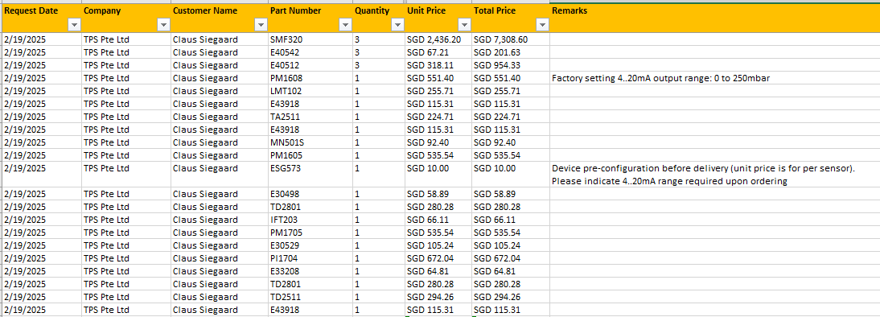
FLC1000M12A3A | HYGIENIC LOAD CELL Ø40/78/24, H178, M12, LOAD 10.000 N, 3A + IP69K | 434 | 3,240 |  |  | 93 | 3,333 | HYGIENIC LOAD CELL Ø40/78/24, H178, M12, LOAD 10.000 N, 3A + IP69K ST. STEEL BASE Ø120, FDA BLUE EPDM VULCANISED RUBBER PAD, 5° TILTING ST. STEEL HYGIENIC STEM, M12 X 50, OVERALL HEIGHT 110.5, 1 X FDA BLUE SILICONE GASKET
FLC1000 | HYGIENIC LOAD CELL Ø31/78/45, H143, M12, LOAD 10.000 N, IP67 | 260 | 1,940 |  |  | 93 | 2,033 | HYGIENIC LOAD CELL Ø31/78/45, H143, M12, LOAD 10.000 N, IP67 ST. STEEL BASE Ø120, FDA BLUE EPDM VULCANISED RUBBER PAD, 5° TILTING ST. STEEL HYGIENIC STEM, M12 X 50, OVERALL HEIGHT 110.5, 1 X FDA BLUE SILICONE GASKET

Aflotech
253705100300404 | DYNAMIC Antistatic 300 mm | 513 | 3,830 |  |  | 340 | 4,170 | GRANOFOOD/CLC/4 granulatslange, sort, antistatisk, L=0,30 mtr, PU/SR, 4 bar, FDA & ATEX, R<10 6 Ω 2" ISO Clamp / 2" ISO Clamp
2527105100400404 | GRANOFOOD 400 mm | 447 | 3,336 |  |  | 340 | 3,676 | GRANOFOOD/CLC/4 granulatslange, sort, antistatisk, L=0,40 mtr, PU/SR, 4 bar, FDA & ATEX, R<10 6 Ω 2" ISO Clamp / 2" ISO Clamp
2527105101000404 | GRANOFOOD 1000 mm | 506 | 3,775 |  |  | 340 | 4,115 | GRANOFOOD/CLC/4 granulatslange, sort, antistatisk, L=1,00 mtr, PU/SR, 4 bar, FDA & ATEX, R<10 6 Ω 2" ISO Clamp / 2" ISO Clamp
250775100500404 | PLUTONE BIO 500 mm | 465 | 3,469 |  |  | 340 | 3,809 | PLUTONE BIO slange, transp. m. stålspiral, L=0,50 mtr, PVC/PVC, 6,0 bar, EU 10/2011, 2" ISO Clamp / 2" ISO Clamp
251805100300404 | OILY FOOD/SPL 300 mm | 460 | 3,430 |  |  | 340 | 3,770 | OILY FOOD/SPL rubber spiral hose, blue, L=0,30 mtr. NBR / CR, 10 bar, FDA, 2" ISO Clamp / 2" ISO Clamp, Country of Origin.: EU, Tariff No: 40094100
250806401000404 | PHARMASTEEL 1000MM | 981 | 7,316 |  |  | 340 | 7,656 | PHARMASTEEL PRESS THERMOPLASTIC HOSE L=1.00 M TPE/TPE, 10 BAR, FDA, 2” ISO CLAMP / 2” ISO CLAMP – WITH GROUNDING
250105100500404 | MILKLAND 500MM | 464 | 3,463 |  |  | 340 | 3,803 | MILKLAND, RUBBER SPIRAL HOSE, OIL-RESISTANT, BLUE, L=0.50 M, NR/NR, 6 BAR, FDA
251806400600202 | OILY FOOD 600MM | 759 | 5,662 |  |  | 340 | 6,002 | OILY FOOD/SPL RUBBER SPIRAL HOSE, BLUE, L=0.60 M, NBR/CR, 10 BAR, FDA
251806401000202 | OILY FOOD 1000MM | 788 | 5,877 |  |  | 340 | 6,217 | Y FOOD/SPL RUBBER SPIRAL HOSE, BLUE, L=1.00 M, NBR/CR, 10 BAR, FDA
251805103000404 | OILY FOOD 3000MM | 611 | 4,557 |  |  | 340 | 4,898 | OILY FOOD/SPL RUBBER SPIRAL HOSE, BLUE, L=3.00 M, NBR/CR, 10 BAR, FDA

IFM (updated 19 Feb 2025) |  |  |  |  |  |  | -
PM1609+E30498 | PM1608++ | 638 | 3,407 |  |  | 22 | 3,429
LMT102+E43918 | LMT102++ | 399 | 2,129 |  |  | 22 | 2,151 | Level Switch LMT102 & Weld adaptor E43918 & Angled wirable socket EVF 566 |  | Tax paid for P2311-04, calculated to approx 10%
TA2511+E43918 | TA2511++ | 368 | 1,964 |  |  | 22 | 1,986 | Temperature Transmitter TA2511 & Weld adaptor E43918 & Angled wirable socket EVF 566 |  | Tax paid for P2311-04, calculated to approx 10%
MN501S | MN501S++ | 120 | 642 |  |  | 22 | 663 | Safety Switch MN501S & Angled wirable socket EVF 566 |  | Tax paid for P2311-04, calculated to approx 10%
PM1605+ESG573+E30498 | PM1605++ | 632 | 3,376 |  |  | 22 | 3,398 | Pressure Transmitter Vacuum & Configuration -1…4 bar & Weld adaptor E30498 |  | Tax paid for P2311-04, calculated to approx 10%
 | IFM Blank incl Weld adapter | 180 | 961 |  |  | 22 | 983
SMF320+E40542+E40512 | Flow meter incl accessories | 2,822 | 15,067 |  |  | 22 | 15,089 | Flow meter

 | Vacuum system w/o Hoanglam

SS version | 2.2 SS |  | 29,499 |  | 29 | 775 | 36,657 | PT-242/26 | Busch DOLPHIN Væskeringsvakuumpumpe Type LX 0110 C AM0 ME UX - 2,2 kW
SS version | 3.0 SS |  | 34,065 |  | 29 | 775 | 41,223 | PT-242/26 | Busch DOLPHIN Væskeringsvakuumpumpe Type LX 0140 C AM0 MG UX - 3 kW
SS version | 4.0 SS |  | 44,799 |  | 29 | 775 | 51,957 | PT-242/26 | Busch DOLPHIN Væskeringsvakuumpumpe Type LX 0180 C AM0 MJUX - 4kW
SS version | 5.5 SS |  | 53,438 |  | 29 | 775 | 60,596 | PT-242/26 | Busch DOLPHIN Væskeringsvakuumpumpe Type LX 0260 C AM0 MM UX - 5.5 kW
SS version | 7.5 SS |  | 67,978 |  | 29 | 775 | 75,137 | PT-242/26 | Busch DOLPHIN Væskeringsvakuumpumpe Type LX 0330 C AM0 MN UX - 7,5kW
 | Parts added to pump total
 | **Standard feet, small, hygenic |  | 1,420
 | **Y-strainer |  | 474
 | **2/2-waY-solenoId valve, servo assisted 6213-EV-A10,0AAVAGM82-6-024/DC-10 *NA38 |  | 2,083
 | **Kabelstik 2518 28mm Form A UL approva 2518-A-BCS/UC-00-3-N50-00-0-00000 JLO4 |  | 119
 | **Needel valve |  | 593
 | **1/2" - PN68 kuglehane |  | 291
 | **Non return valve |  | 1,375

 | Vacuum system w/o Hoanglam
MS version | 2.2 MS |  | 14,865 |  | 29 | 775 | 22,023 | PT-242/26 | Busch DOLPHIN Væskeringsvakuumpumpe Type LX 0055 B AK0 ZZMX - 2.2 kW
MS version | 3.0 MS |  | 16,806 |  | 29 | 775 | 23,964 | PT-242/26 | Busch DOLPHIN Væskeringsvakuumpumpe Type LX 0140 C AK0 MHUX - 3.0 kW
MS version | 4.0 MS |  | 21,666 |  | 29 | 775 | 28,824 | PT-242/26 | Busch DOLPHIN Væskeringsvakuumpumpe Type LX 0180 C AK0 MJUX - 4 kW
MS version | 5.5 MS |  | 31,657 |  | 29 | 775 | 38,815 | PT-242/26 | Busch DOLPHIN Væskeringsvakuumpumpe Type LX 0260 C AK0 MLUX - 5.5 kW
MS version | 7.5 MS |  | 32,722 |  | 29 | 775 | 39,881 | PT-242/26 | Busch DOLPHIN Væskeringsvakuumpumpe Type LX 0330 C AK0 MNUX - 7.5 kW
 | Parts added to pump total
 | **Standard feet, small, hygenic |  | 1,420
 | **Y-strainer |  | 474
 | **2/2-waY-solenoId valve, servo assisted 6213-EV-A10,0AAVAGM82-6-024/DC-10 *NA38 |  | 2,083
 | **Kabelstik 2518 28mm Form A UL approva 2518-A-BCS/UC-00-3-N50-00-0-00000 JLO4 |  | 119
 | **Needel valve |  | 593
 | **1/2" - PN68 kuglehane |  | 291
 | **Non return valve |  | 1,375

Powder Hopper 100L system | Powder Hopper 100L system
 | Hoang Lam |  | 16,061 |  |  |  | 26,615
 | *Extra Hoang Lam, pipe extention to hose - one meter approx |  | 1,000 |  |  |  |  | Guess
 | *Engineering, design etc |  | 5,238
 | NGI feet, 3 pcs |  | 1,065 |  |  | 1,000
 | Level Switch, IFM |  | 2,151 |  |  | 100

Coxial system | Coaxial system |  |  |  |  |  | 342,802 | Also implemented a HL cost price increae for the tanks of 30% as the diameter will be larger and need to carry more weight. Forumla in "Internal Sales price"
 | Nordgear 5.5 + 4 kW | 16,461 | 122,799 |  |  |  |  | Qutoe for 2509-06, october 2025
 | Seneberg |  | 110,930 |  |  |  |  | P2402--01, added 10%
 | Hoang Lam |  | 37,386 |  |  |  |  | Qutoe for 2509-06 added 30% for 304 upgrade to 316L
 | Logistic |  | 60,000 |  |  |  |  | Estimate 1000 kg at DKK 60/kg
 | Duties |  | 11,686 |  |  |  |  | On top of the standard duties, as these items will be troublesome to get into VN

 | Process parts
SK 9032.1AF - 112MP/4 TF IP66 | Nordgan motor | 1,959 | 14,614 |  |  | 750 | 15,364 | Offer 6 feb 2024, 4 kW, 102803561, revised 21 Feb. Added food oil and SS hulakse
 | Seal |  | 1,000 |  |  |  | 1,000 | Guess
 | Peek blades |  | 1,200 |  |  | 100 | 1,300 | John confirm in email d 5 March 2024 a price of approx DKK 1000/pcs. Added some extra to allow for safety and a couple or spare units
 | Other |  | 3,500 |  |  |  | 3,500 | Guess
 |  |  |  |  |  |  | -
Steam injection | Unit 600 kg/h - 4 nozzles |  |  |  |  |  |  | Steam per nozzle 3 bar -> 200 kg/nozzle /h
 | Steam Injection nozzles |  | 50,000 |  |  |  | 62,120 | Wild guess
 | HL integration |  | 7,170
 | Design |  | 4,950

Culinary steam unit
 | Culinary steam unit, 5 µm |  | 26,681 |  |  |  | 87,481 | Added 10% for last years prices
 | HL SKID |  | 14,340 |  |  |  |  | Guess
 | HL cover |  | 14,340 |  |  |  |  | Guess
 | HL assebley |  | 7,170 |  |  |  |  | Guess
 | Design |  | 4,950
 | Other parts |  | 20,000

22L tank | 22L tank CIP |  |  |  |  |  | 10,351
 | Tank HL |  | 3,585
 | AL manway (upgrade) |  | 3,512
 | Spray Ball |  | 585
 | Actuator |  | 2,006
 | IFM MS505 saefty |  | 663

Logistics | Internal DK shipment Fredensborg to Bjerringbro |  | 950 |  |  |  | 950
 | Internal DK shipment Bjerringbro to Hartrodt |  | 1,025 |  |  |  | 1,025
 | Internal DK shipment Fredensborg to Hardrodt |  | 913 |  |  |  | 913 | P2311-04
 | Hartrodt handling |  | 950 |  |  |  | 950 | P2311-04
 | AIRPORT CHARGE DK X-RAY/HANDL/ TRUCKING |  | 2,635 |  |  |  | 2,635 | P2311-04
 | Packing for shipment VN |  | 1,500 |  |  |  | 1,500
 | Packing for shipment to Agent DK parts |  | 2,000 |  |  |  | 2,000
 | Packing for shipment Unit |  | 3,620 |  |  |  | 3,620
 | Packing for shipment Plant |  | 4,000 |  |  |  | 4,000 | Guess, it's likely zero
 | COO document + UPS courier |  | 1,215 |  |  |  | 1,215
 | Hartrodt Supervision |  | 450 |  |  |  | 450
 | Shipment DK to Asia, ship, CIP harbor |  |  |  |  |  | -
 | Shipment DK to VN, air, Vortex |  | 9,000 |  |  |  | 9,000
 | Shipment DK to VN, air, Tank |  | 11,880 |  |  |  | 11,880 | P2311-04
 | Handling warehouse in/out | 741 | 5,313 |  |  |  | 5,313 | P2311-04
 | Internal VN shipment | 526 | 3,771 |  |  |  | 3,771 | P2311-04
 | VN Customs storage cost | 700 | 5,019 |  |  |  | 5,019 | Guestimate based on P2311-04
 | Freight insurance |  | 900 |  |  |  | 900 | Likely included in the freight cost
 | VAT |  | 0.0% |  |  |  | - | Paid by HL on P2311-04
 | HS Duties |  | 6.8% |  |  |  | 0.068 | P2311-04
 | VAT & HS code VN |  | 12.50% |  |  |  | 0.125 | Used for parts from SG
 | HL VAT - Logistic Administrative work |  | 1.50% |  |  |  | 0.015 | New request from HL 12% of the 10% VAT which they pay on import to cover their time.

Other | Extra powder inlets |  | 11,570 |  |  |  | 11,570 | incl HL inlet and AL valve
 | German translation |  | 12,000 |  |  |  | 12,000
 |  |  |  |  |  |  | -
Gericke | Powder tipping station 25 kg w/o filter | 16,320 | 87,149 |  |  |  | 87,149 | William table 15 March 2024
 | Powder tipping station 25 kg w. filter | 27,490 | 146,797 |  |  |  | 146,797 | Q2500099C-R3 for Hyatna 2025
 | Powder tipping station 25 kg w.filter w. big bag w. hoist and Ibeam | 88,610 | 473,177 |  |  |  | 473,177 | William table 15 March 2024
Systems
 | Water flush 25 liter hopper |  | 5,965 |  |  |  | 5,965
 | Sanimidget |  | 2,465
 | Alfa Laval LKB - Funnel CIP |  | 1,500
 | Upgrade funnel manual BV to pneumatic |  | 2,000 |  |  |  |  | size and cost to be updated under Alfa Laval

 | Minor Ingredeints 25 liter hoppe with manual lid system |  | 5,988 |  |  |  | 5,988
 | Minor Ingredeints 22 liter hoppe with manual lid |  | 3,585
 | Alfa Laval Manual butterfly valve |  | 2,403

HTEN | MixSing Standard control 22 kW | 19,319 | 138,517 |  |  |  | 138,517
MIAC | MixSing Vacuum control 22 kW | 12,000 | 86,040 |  |  |  | 126,659
 | -Dual Master AS-i Gateway (Profinet) | 1,530 | 8,170
 | -AS-i Power Supply (8A) | 1,120 | 5,981
 | -Flat EPDM Yellow AS-i cable, 100m per roll | 265 | 1,415
 | -FC Quick Connect M12 socket - 7 pcs | 84 | 449
 | -M12 angled plug / M12 angled socket Jumper cable (2m) - 7 pcs | 252 | 1,346
 | -Cable trays | 100 | 534
 | -Safe AS-Interface ClassicLine module with quick mounting technology | 176 | 940
 | -Wirable M12 Straight Plug | 28 | 150
 | -M12 angled plug / M12 angled socket Jumper cable (2m) | 36 | 192
 | -8-port IO-Link Master (Profinet) | 513 | 2,739
 | -M12 angled plug / M12 angled socket Jumper cable (2m) - 4 pcs | 180 | 961
 | -EVF557 - 2M Ethernet D-coded M12 to RJ45 | 36 | 192
 | -EVF485 - 2M Angled M12 connector, 4 x 1.00 mm² | 27 | 144
 | -EVF545 - 2M Ethernet M12-M12 D-coded | 37 | 198
 | -power cables and connectons | 2,000 | 14,340 |  |  |  |  | wild guess
 | -site work at Hoang Lam | 400 | 2,868 |  |  |  |  | wild guess

HTEN | MixSing Process control 22 kW | 25,225 | 180,863 |  |  |  | 180,863
 | Control cabinet | 1,759 | 12,612 |  |  |  | 12,612

Kannan | Installation, Mechanical & Product supervision, daily rate | 420 | 3,011 |  |  |  | 3,011
 | Mechanical & Product commissioning Malaysia, 5 days | 4,100 | 29,397 |  |  |  | 29,397
 | Mechanical & Product commissioning Germany, 5 days | 6,400 | 45,888 |  |  |  | 45,888
 | Mechanical & Product commissioning Zambia, 5 days | 5,100 | 36,567 |  |  |  | 36,567
 | Mechanical & Product commissioning Kuwait, 5 days | 4,100 | 29,397 |  |  |  | 29,397
 | Mechanical & Product commissioning Kazakstan, 5 days | 4,900 | 35,133 |  |  |  | 35,133

Engineering Cost | Hourly rate
 | Mukesh Design | 35 | 248 |  |  |  | 248 | Mukesh rate via Kannan
 | Kannan Engineering | 24 | 169 |  |  |  | 169 | Kannan Project office rate
 | Ju Lin | 70 | 374 |  |  |  | 374 | Ju Lin Project rate
 | Review |  | 400 |  |  |  | 400
 | Project Management |  | 400 |  |  |  | 400
 | Hoang Lam FAT - Chinh | 344 | 2,466 |  |  |  | 2,466
 | Hoang Lam FAT - HL staff | 940 | 6,740 |  |  |  | 6,740
 | U3S FAT - DK |  | 4,000 |  |  |  | 4,000
 | EU Documentation |  | 374 |  |  |  | 374 | Based on Ju Lin rates
 | Training materials

 | Hoang Lam FAT - Kannan |  |  |  |  |  | 15,056
 | Hours, 24h | 924 | 6,625 |  |  |  |  | USD 38.5, as project work outside office
 | Daily Allowance, 4 days | 200 | 1,434 |  |  |  |  | USD 50 per day
 | Hotel, 4 nights | 400 | 2,136 |  |  |  |  | SGD 100 per day incl BF
 | Flight | 500 | 3,585
 | Taxi | 80 | 574
 | Visa | 70 | 502
 | Medical insurance | 18 | 129
 | Roaming | 10 | 72

 | Hoang Lam FAT short - Kannan |  |  |  |  |  | 11,027
 | Hours, 24h | 462 | 3,313 |  |  |  |  | USD 38.5, as project work outside office
 | Daily Allowance, 2 days | 100 | 717 |  |  |  |  | USD 50 per day
 | Hotel, 2 nights | 400 | 2,136 |  |  |  |  | SGD 100 per day incl BF
 | Flight | 500 | 3,585
 | Taxi | 80 | 574
 | Visa | 70 | 502
 | Medical insurance | 18 | 129
 | Roaming | 10 | 72

 | Hoang Lam FAT - PM |  |  |  |  |  | 19,142
 | Hours, 27h | 1,755 | 13,092 |  |  |  |  | EUR 65
 | Daily Allowance, 3 days | 150 | 1,119 |  |  |  |  | EUR 50
 | Hotel, 3 nights | 150 | 1,119 |  |  |  |  | EUR 50
 | Flight | 300 | 2,238
 | Taxi | 200 | 1,492
 | Roaming | 11 | 82

Bin lift design | Carsoe ST 1051145 | 18,118 | 135,162 |  |  | 2000 | 217,162 | Added 4% pa in inflation - 4 years
 | Bin |  | 10,000 |  |  |  |  | Guess
 | Mixer inlet upgrade |  | 15,000 |  |  |  |  | Guess
 | Actuators, CiP nozzle loose parts, logs for lids |  | 25,000 |  |  |  |  |  | Tight for vacuum/cip
 | Mixer "funnel" |  | 30,000 |  |  |  |  | Guess

Special parts

Promo24
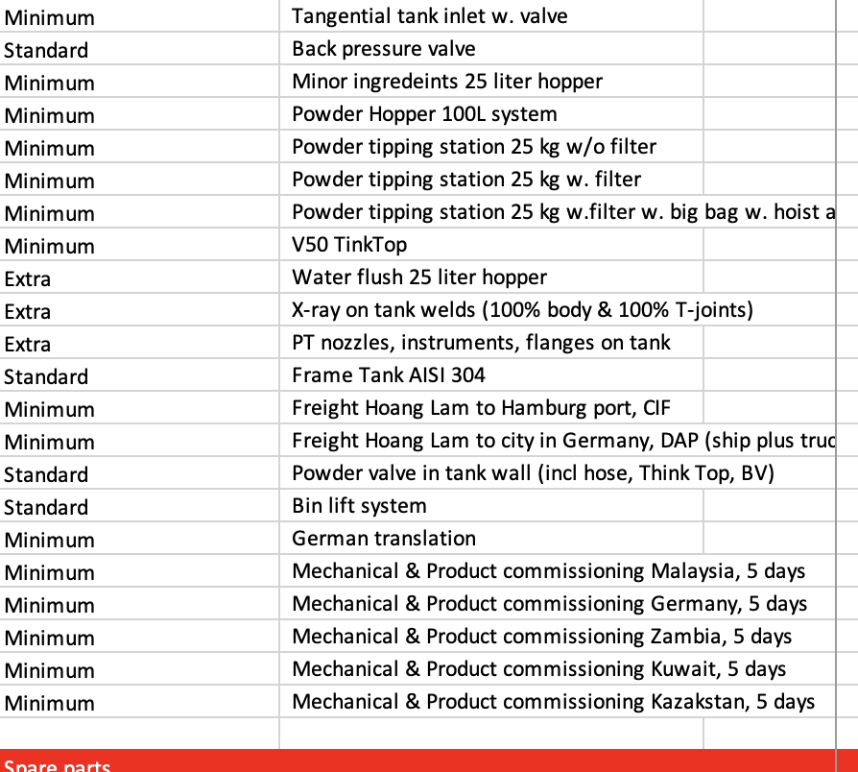
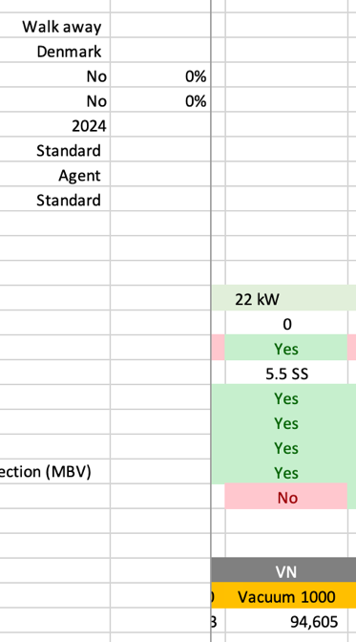
 | MixSing LC 1000 |  |  |  | MixSing Standard 1000 |  |  |  |  | MixSing Vaccum 1000
 | UP | % | Promo | % | UP | % | Promo | % | Upgrade | UP | % | Promo | % | Upgrade
List Price | 43,108 |  | 30,272 |  | 67,285 |  | 47,293 |  | 54,534 | 109,661 |  | 80,783 |  | 92,309
GM | 12,746 | 30% | 6,373 | 21% | 21,807 | 32% | 10,904 |  |  | 37,707 | 34% | 18,854 | 23%
Total Engineering | 7,283 | 17% | 1,945 | 6% | 10,564 | 16% | 3,161 |  |  | 12,571 | 11% | 6,686 | 8%
Contingency | 1,406 | 3% | 703 | 2% | 2,105 | 3% | 1,053 |  |  | 3,184 | 3% | 1,592 | 2%
Cost savings markup | - | 0% | - | 0% | - | 0% | - |  |  | 3,184 | 3% | 1,592 | 2%
Financial cost markup | 281 | 1% | 141 | 0% | 421 | 1% | 211 |  |  | 637 | 1% | 318 | 0%
Warranty cost | 562 | 1% | 281 | 1% | 842 | 1% | 421 |  |  | 1,274 | 1% | 637 | 1%
Total OH | 22,279 | 52% | 9,443 | 31% | 35,740 | 53% | 15,749 | 33% |  | 58,556 | 53% | 29,678 | 37%

CIP spray balls | Manual CIP |  | Manual CIP |  | Included |  | Included |  |  | Included |  | Included
SS vacuum pump | NA |  | NA |  | NA |  | NA |  |  | Included |  | Included
TT | NA |  | NA |  | Included |  | Included |  |  | Included |  | Included
Packaging for freight | Included |  | Included |  | Included |  | Included |  |  | Included |  | Included
EWX upgraded to FCA at workshop Vietnam | 696 |  | 643 |  | 719 |  | 643 |  |  | Included |  | Included
Seal flush | 841 |  | Included |  | Included |  | Included |  |  | Included |  | Included
Connection SMS/Clamp/Flange | 255 |  | 225 |  | 264 |  | 225 |  |  | Included |  | Included
Non-foam inlet | 738 |  | 672 |  | Included |  | Included |  |  | Included |  | Included
Tangential Tank Inlet: With butterfly valve | Non-foam inlet |  | Non-foam inlet |  | 851 |  | 796 |  |  | 851 |  | 796
Ingredients Hopper with lid: 25 liters for adding minor ingredients | NA |  | NA |  | NA |  | NA |  |  | 964 |  | 947
Powder hopper with vibrator, mesh, and lid: 100 liters for adding larger powder volumes | NA |  | NA |  | NA |  | NA |  |  | 4,880 |  | 4,207
Workshop FAT: on-site by TPS staff | Included |  | Included |  | Included |  | Included |  |  | Included |  | Included
Commissioning: 5 days on-site by TPS staff, including travel and stay. | Online |  | Online |  | 6,500 |  | 5,576 |  |  | 6,500 |  | 5,576
Control system + VSD |  |  |  |  |  |  |  |  | 23,285 |  |  |  |  | 23,599

Minimum Sales Price in Promo | 45,637 | 70% | 31,812 |  | 75,619 | 72% | 54,534 |  |  | 122,857 | 75% | 92,309 |  | 115,908
 |  |  |  |  | 166% |  |  |  |  | 269%
 |  |  |  |  |  |  |  |  |  | 162%

 | 2024 | Discount | Special
Special prices 2024, starting from | EUR | EUR | EUR | %
MixSing Shear | 23,466 | - | 23,466 | 0%
Mixinng Loop | 25,172 | - | 25,172 | 0%
MixSing Injector, no table | 30,504 | - | 30,504 | 0%
MixSing Vortex, no table | 38,305 | 1,000 | 37,305 | 3%
MixSing LC 1000 | 43,009 | 8,009 | 35,000 | 19%
MixSing Standard 1000 | 66,751 | 12,000 | 54,751 | 18%
MixSing Vacuum 1000 | 97,090 | 15,000 | 82,090 | 15%
MixSing Process 1000 | 136,882 | 20,000 | 116,882 | 15%

